Cover
TypeA Project
ServiceNow Utilization Guide(Progress Report and Furikaeri）

 | Version | 0.1 | Date | 2023-03-22

 | ※ | This document is based on ServiceNow specifications as of 2023/03.
 |  | It is expected that the DP ServiceNow will change in the future due to changes in ServiceNow specifications and the release of various tools.
 |  | Please check the following for the latest information.
 |  | Fujitsu Developers Platform Hub
 |  | https://fujitsu.sharepoint.com/sites/jp-dp-portal/SitePages/en/Home.aspx

© 2023 Fujitsu Limited

1. Project Information Input
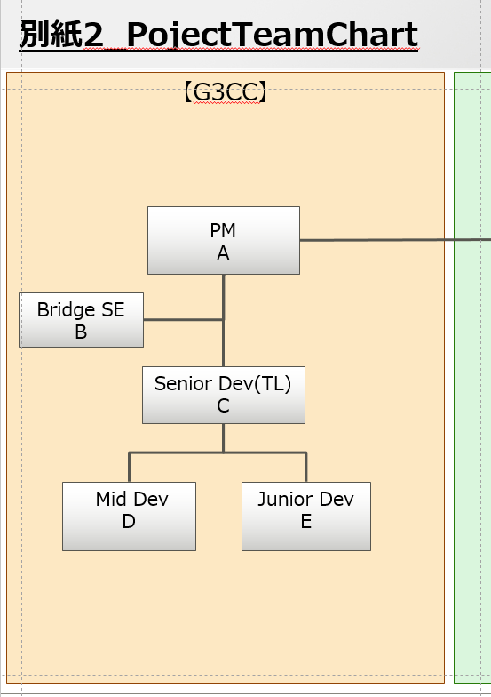
Table of Contents

1. Project Information Input

 | For the "1. Project Information" of each phase, enter the data according to the following procedure.

 | 1.)Copy the Project plan information to "1. Project Information".

 |  | 1 | Copy the necessary information from the project plan and project plan attachments.

 |  |  | № | 項目名 | 入力値 | 備考
 |  |  | 1 | プロジェクト名称/Project Name | Copy from Project Plan "1.1. プロジェクト概要/Project Overview".
 |  |  | 2 | プロジェクト全体規模(KLOC)/Whole Scale(KLOC) | Copy from Project Plan "1.1. プロジェクト概要/Project Overview" * "別紙_01 Overview/Attachment _ 01 Overview".
 |  |  | 3 | 作業内容/Work Discription | Copy from Project Plan "1.1. プロジェクト概要/Project Overview".
 |  |  | 4 | 対象工程/Target Phase | Manually enter the phase to be reported.
 |  |  | 5 | GDC開発規模(KLOC)/GDC Development Scale(KLOC) | Copy from Project Plan "1.1. プロジェクト概要/Project Overview". | Latest values must be measured and updated before starting the PG and PT phase.
 |  |  | 6 | GDC要員数/GDC's Number of Members | Copy from Project Plan "1.2. プロジェクト体制と役割分担/Project structure and Division of roles * "別紙_02 体制と役割分担/Attachment _ 02 Structure and Division of Roles". | Enter the number of members excluding PM. (Include the Bridge member.)

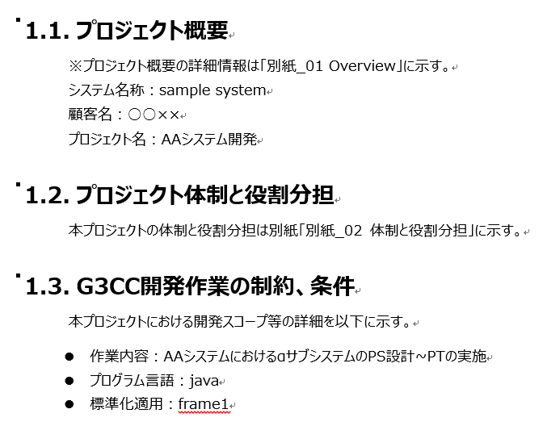
【Project Plan】
 |  |  | ■Status Report Input Image

Restrictions and conditions of JDU development work

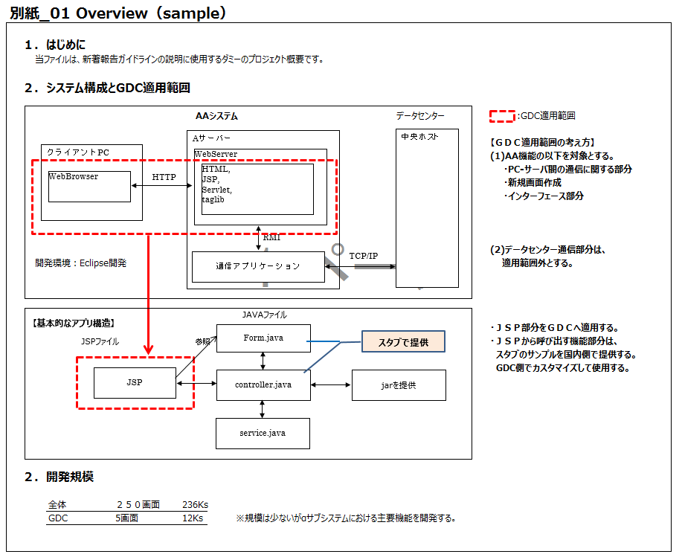
236KLOC
12KLOC

2. Whole Progress Input
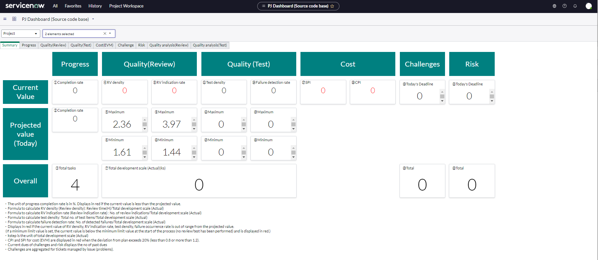
Table of Contents

2. Overall Progress Input

 | The "2. Overall Progress" of each process follows the steps below to post information from the ServiceNow dashboard.

 | Check on your dashboard |  |  |  |  | source
 |  | 1 | Select “All” from the top menu. |  |  | ServiceNow_CommonUserGuide_Eng.pdf
 |  | 2 | Enter “PJ Dashboard” in the filter of the menu, and select |  |  | 3.3.1 How to display the dashboard
 |  |  |  | Page-based, such as SS and PS：「PJ Dashboard (Document page base)」
 |  |  |  | When scale-based, such as PG and PT：「PJ Dashboard (Source code base)」

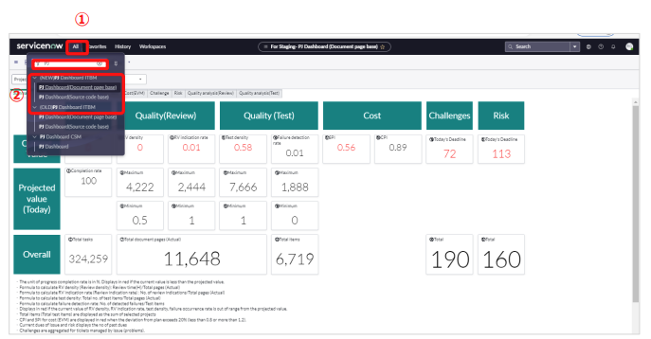

 |  | 3 | The “PJ Dashboard” screen will be displayed. Select “Project”.
 |  | 4 | Select "Select elements" and click "Clear All".
 |  |  |  |  | Previous checks may remain, so be sure to click "Clear All" before proceeding.

 |  | 5 | Check the project of the process to be reported.
 |  |  |  | When checking the overall progress, check all projects in the same process.
 |  |  |  |  | Example: If there are "000000PJname_PS_AAA" and "000000PJname_PS_BBB", check both.
 |  |  |  | When checking each project (= function), check only the target project.
 |  |  |  |  | Example: If there are "000000PJname_PS_AAA" and "000000PJname_PS_BBB", check one of them.
 |  | 6 | Click the "Apply" button.
3
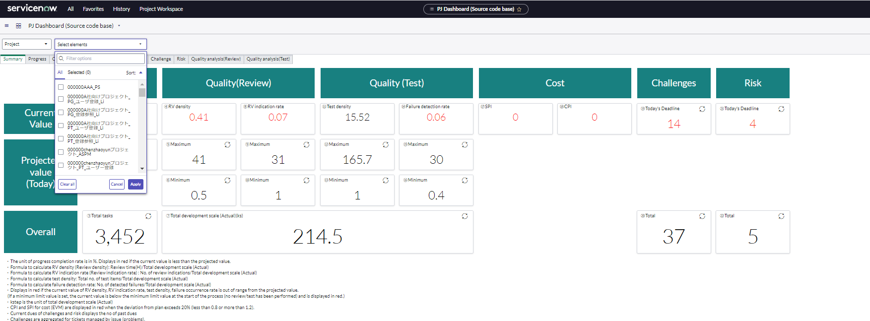
4

6
5

 |  | 7 | A summary screen for the selected project appears. Capture the summary screen and paste it in the "2. Overall progress input" column of the progress report.
 |  |  | * The red letters in the current value of the summary indicate an error. You can view the tab of the item in error and check the details.

3.Progress Status_PS
Table of Contents

3.Progress Status：PS Phase

In the PS process, we report mainly on the document creation status.
In "3. Progress" of the PS process, ServiceNow data is posted according to the following contents.

 |  | Item Name |  | Value
 |  | タスク(管理項目4)Task Management Item 4 |  | Function name = Project name
 |  | ドキュメント率/Document rate(頁/KLOC) |  | 「F01M04A14_別紙_14 品質管理指標／Quality Management Index-value.xlsx」 PS 「ドキュメント率(頁/KLOC)/Document rate(Pages/KLOC)」の「中央値/Median」
 |  | 計画規模/Planned scale （KLOC） |  | Planned scale（KLOC）
 |  | ドキュメント頁数(計画値)/Number of document pages (plan) |  | Check the dashboard and enter the total number of "planned document pages". For details on how to check, see "Check on the Dashboard" below.
 |  | 実績/Actual |  | Enter the following values. You can check the number of actual document pages on the dashboard. For details on how to check, see "Check on the Dashboard" below.
 |  |  | 先週までの合計/cumulative total up to last week | Here are the totals for the previous week's report: 「先週までの合計/cumulative total up to last week」+「今週/This week」
 |  |  | 今週/This week | Enter the number obtained by subtracting the above "cumulative total up to last week" from the "number of document pages".

 | Check on the dashboard

 | 1 | Perform steps 1 to 6 on the "2. Overall progress input" sheet to display the dashboard screen.

 | 2 | Click the number part of "Total number of document pages (results)".

2

 | 3 | A list of "Estimated/Actual scale (Pages) management" will be displayed. Check the registered "Number of scheduled document page" and "Number of actual document page".

3

3.Progress Status_PG
Table of Contents

Progress Status：PG Phase

In the PS process, we report mainly on the scale creation status.
In "3. Progress" of the PG process, ServiceNow data is posted according to the following contents.

 |  | Item Name |  |  | Value
 |  | タスク(管理項目4)Task Management Item 4 |  |  | Function name = Project name
 |  | 見積規模/Estimated Scale(KLOC) |  |  | Enter "1. Estimated development scale (ks)" in "Productivity (Planned) (ks/H)" on the dashboard. For details on how to check, see "Check on the Dashboard" below.
 |  | 完了タスク数/The number of completed tasks
 |  |  | 計画値/Plan |  | Enter the "Total tasks" of "Completion rate (Overall)" on the "Progress" tab of the dashboard. For details on how to check, see "Checking on the Dashboard" below.
 |  |  | 実績/Actual | 先週までの合計 /cumulative total up to last week | The totals for the previous week's report: 「先週までの合計/cumulative total up to last week」+「今週/This week」
 |  |  |  | 今週/This week | Enter the value obtained by subtracting the above "「先週までの合計/cumulative total up to last week」" from the "current number of completions" in the "completion rate (total)" on the "progress" tab of the dashboard.
 |  | 実規規模(KLOC)Actual Scale |  |  | Enter "1. Actual development scale (ks)" in "Productivity (actual) (ks/H)" on the dashboard. For details on how to check, see "Check on the Dashboard" below.
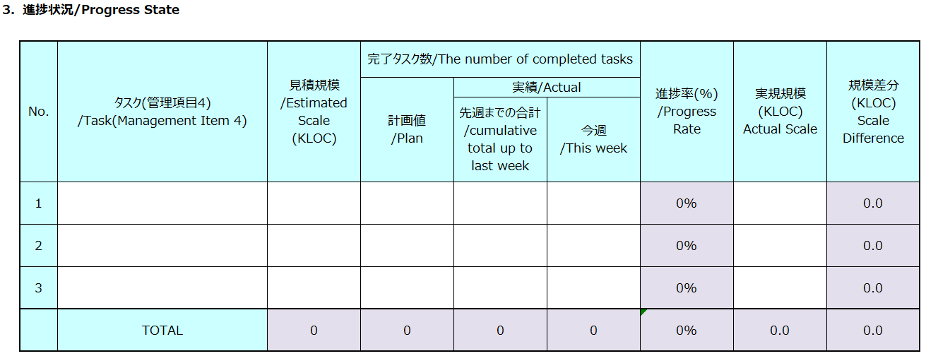

 | Check on the dashboard

 | 1 | Perform steps 1 to 6 on the "2. Overall progress input" sheet to display the dashboard screen.

 | 2 | Click Progress tab.
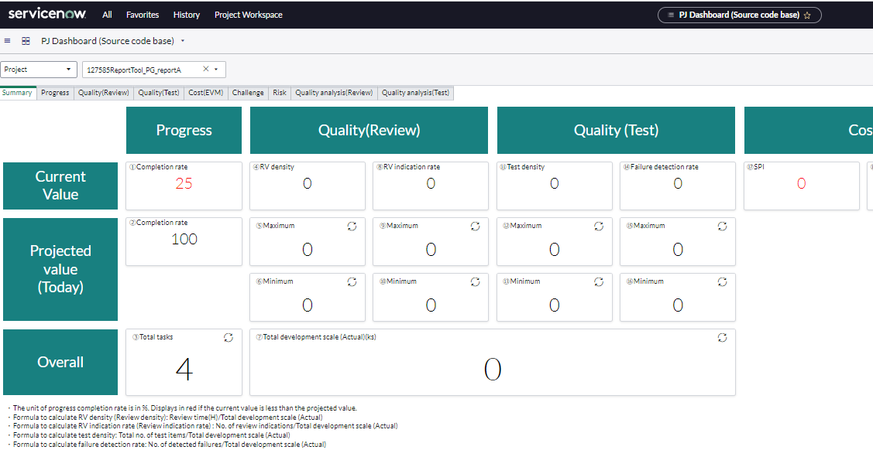

2

 | 3 | Check the "Completed item count" and "Total tasks" of "Completion rate (Overall)".

"This week"
use for calculation
In "planned value/Plan"
will post

 | 4 | Scroll to the bottom.
 |  | Check "1. Estimated development scale (ks)" in "Productivity (Planned) (ks/H)".
 |  | Check "1. Actual development scale (ks)" of "Productivity (Actual) (ks/H)".

「見積規模/Estimated Scale(KLOC)」

「実規規模(KLOC)Actual Scale」

3.Progress Status_PT
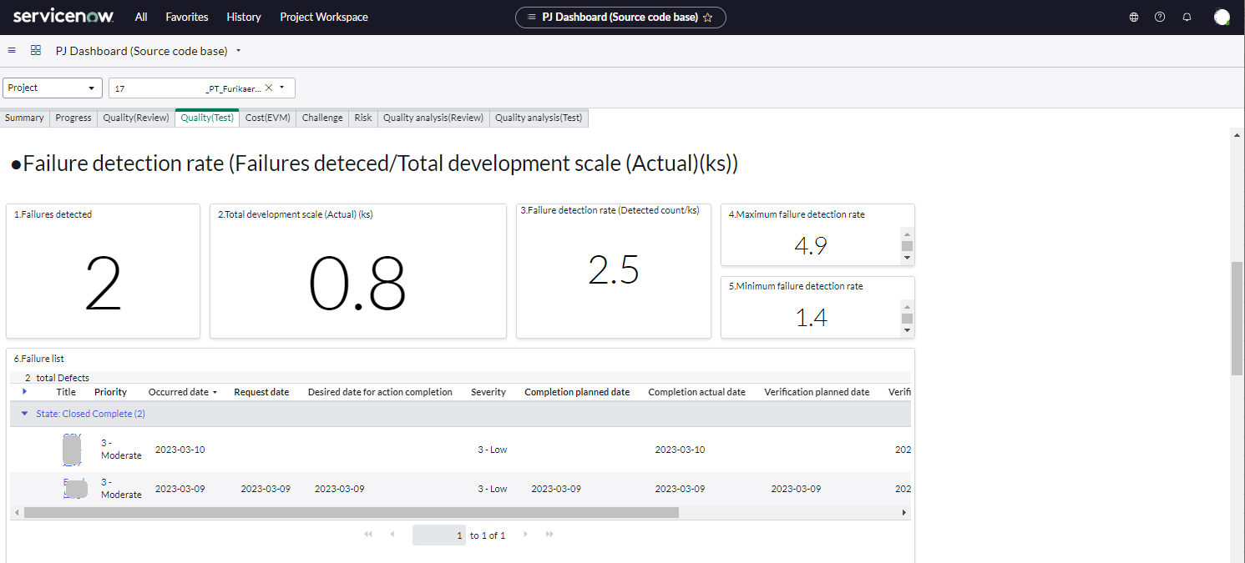
Table of Contents

Progress Status：PT Phase

In the PT process, we report mainly on the test status of each program.
In "3. Progress" of the PT process, the ServiceNow data will be posted according to the following contents.
*We defined it as follows, but we would like to improve it if there is a more easy-to-understand reporting method.

 |  | Item Name |  | Value
 |  | タスク(管理項目4)Task Management Item 4 |  | Function name = Project name
 |  | テスト完了率(全体) Test completion rate (Overall) |  | Check it on your dashboard. For details on how to check, see "Check on the Dashboard" below.
 |  |  | テスト完了数 現状値 Test completion - Current value
 |  |  | 全テスト項目数 Total test items
 |  | テスト完了率(時点) Test completion rate (point of time) |  | Check it on your dashboard. For details on how to check, see "Check on the Dashboard" below.
 |  |  | テスト完了数 現状値 Test completion Current value
 |  |  | 全テスト項目数 Test completion current - Project value

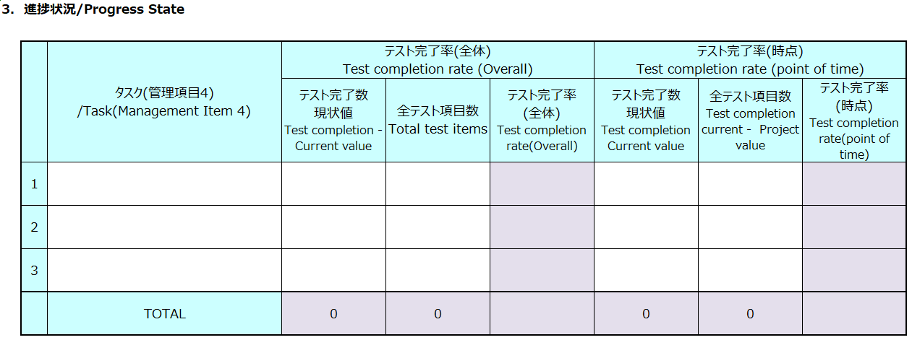

"6. 障害/Bugs" of the PT process will post the data of ServiceNow according to the following contents.

 |  | Item Name |  | Value
 |  | open |  | Check with「■障害検出率(障害検出数/全開発規模(実績)(ks))」on the dashboard.For details on how to check, see "Check on the Dashboard" below.
 |  |  | 前回までの合計 /Total up to the last time | In the "Failures list", check the number of occurrences with "Occurred date" up to last week.
 |  |  | 今週 /this week | In the "Failures list", check the number of occurrences with "Occurred date" up to this week.
 |  | close |  | Check it on your dashboard. For details on how to check, see "Check on the Dashboard" below.
 |  |  | 前回までの合計 /Total up to the last time | In the "Failures list", check the number of occurrences with "Verification date" up to last week.
 |  |  | 今週 /this week | In the "Failures list", check the number of occurrences with "Verification date" up to this week.

 | Check on the dashboard

 | 1 | Perform steps 1 to 6 on the "2. Overall progress input" sheet to display the dashboard screen.

 | 2 | Click Quality(Test) tab.
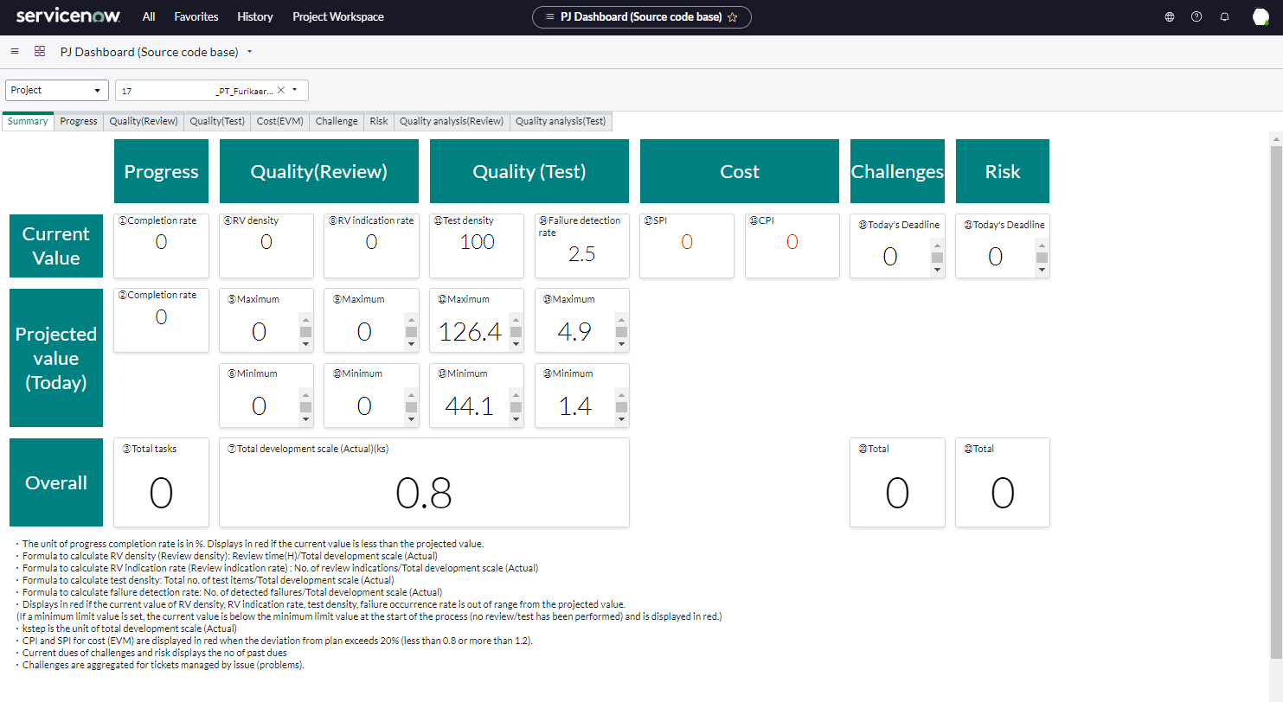

2

 | 3 | Check the following items and post them to the progress report.
 |  | ■テスト完了率(全体)/Test completion rate (Overall)
 |  | テスト完了数 現状値/Test completion - Current value
 |  | 全テスト項目数/Total test items

 |  | ■テスト完了率(時点)/Test completion rate (point of time)
 |  | テスト完了数 現状値/Test completion Current value
 |  | 全テスト項目数/Test completion current - Project value
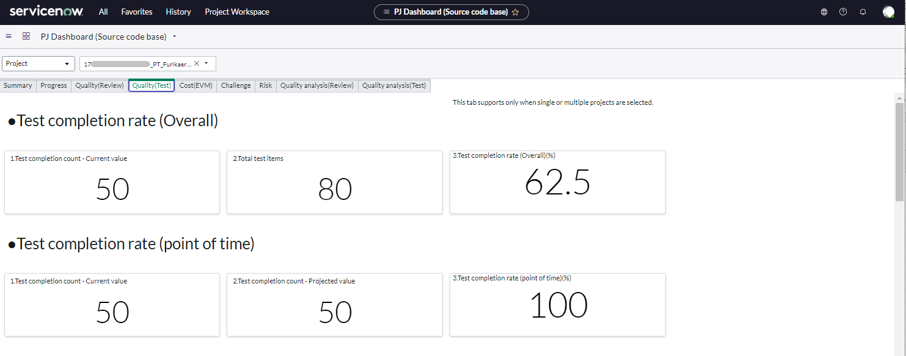

 | 3 | Check the following items and post them to the progress report.
 |  | ■障害検出率(障害検出数/全開発規模(実績)(ks))/Failure detection rate (Failures deteced/Total development scale (Actual)(ks))
 |  | Check the following in「障害一覧/Failure list」
 |  | ・ | Number of dates with 「発生日/Occurred date」 up to lase week
 |  | ・ | Number of dates where 「発生日/Occurred date」 is this week's date
 |  | ・ | Number of dates where 「検証完了日/Verification actual date」 is up to last week
 |  | ・ | Number of dates where 「検証完了日/Verification actual date」 is this week's date

4.Issue_5.QA
Table of Contents

4.Issue
5.QA

The number of "4. Issues" and "5. Q&A" for each process will be posted according to the following procedure.

 |  | Check domain scope first after login
 |  | If you join multiple project, you will be registered in multiple domains (project rooms) in ServiceNow. Please confirm that the domain scope is correct.

1
 |  | method
 |  | 1 | Click on the right.

 |  | 2 | Make sure the "Domain Scope" is correct.
 |  | 3 | If a different domain scope was selected, select the correct domain scope.
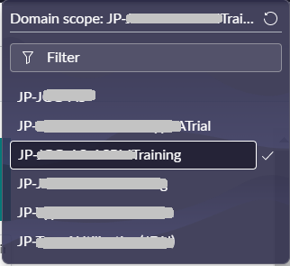
2

3

View dashboard
 | 1 | Select "All" from the top menu.
 | 2 | Enter "PJ" in the menu filter, and select "PJ Dashboard (Document page base)" or
1
 |  | "PJ Dashboard (Source code base)" under "(New) PJ status Dashboard ITBM" ".You can choose either.

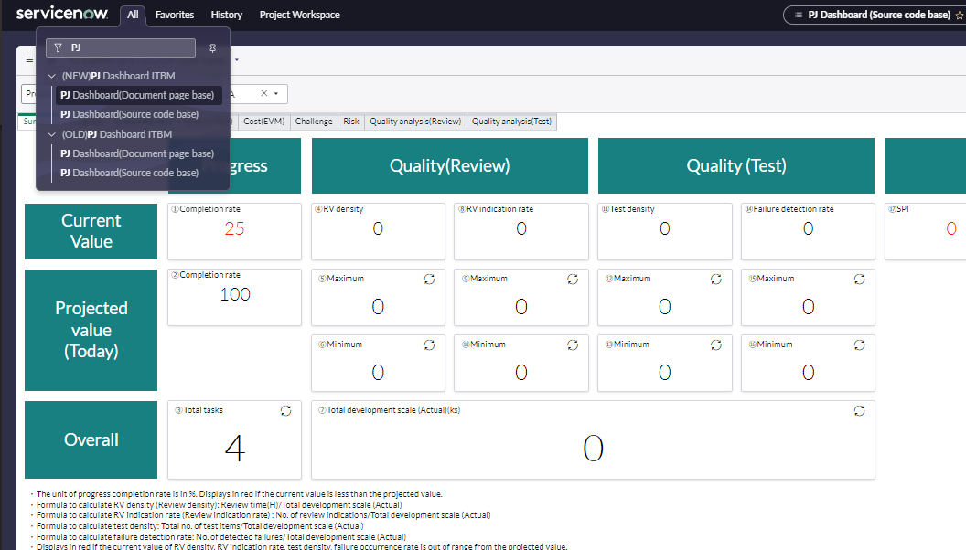

2

 | 3 | The "Project status display" screen is displayed. Select "Program".
 | 4 | Select "Select Elements".
 | 5 | Click Clear All.
 |  |  |  | Previous checks may remain, so be sure to click "Clear All" before proceeding.

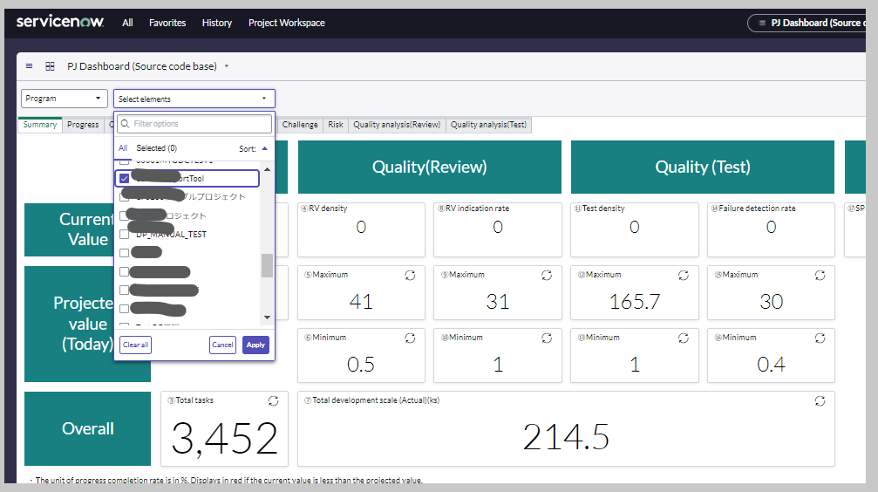
 | 6 | Check the program of the process to be reported.
 | 7 | Click the "Apply" button.

3
4

6

7
5

 | 8 | A summary screen for the selected program appears. Click "Total".
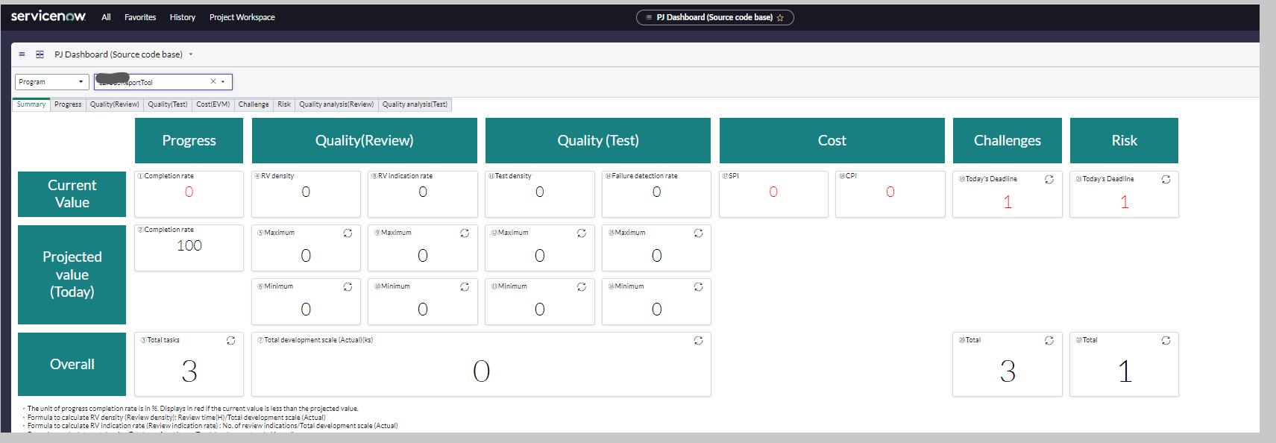

8

 | 9 | A list of "issue" is displayed.
 |  |  |  | The following items are not displayed by default. To display it, perform the operation of "Adding a Point heading item" described later.
 |  |  |  | Select free item 1 (Classfication) "Select free item 1 (Options)" "Created date and time" "Closed"
 |  |  |  | Select free item 2 (Classfication) "Select free item 2 (Options)"

 | 10 | 「番号」の行で右クリックし、「エクスポート」、「Excel(.xlsx)」の順に選択します。

10

 |  |  |  |  |  | 2

 |  | A list of issues is output in an Excel file.

 |  | Item name |  |  | Value
 |  | Short description |  |  | Lines with "QA" at the beginning are QA, lines without "QA" at the beginning are issues.
 |  | Select free item 1 (Options) |  |  | Process name
 |  | Created |  |  | The date the issue was opened.
 |  | Closed |  |  | Date closed. If it is blank, it is open.

 | 12 | Count each item.

 |  | 12_1 | Sort by the process name of "Select free item 1 (Options)"

 |  | 12_2 | For each process divided in 12_1, divide into those with "QA" in the writing characters of "Short description" and those without
 |  | 12_3 | Count the number of lines created up to last week for each "Issue" and "QA" of each process divided by 12_2
 |  | 12_4 | Count the number of rows created in the current week for each "Issue" and "QA" of each process divided by 12_2

 |  | 12_5 | Count the number of lines closed by the date up to last week for each "Issue" and "QA" of each process divided by 12_2
 |  | 12_6 | Count closed rows for this week's date for each "Issue" and "QA" for each process divided by 12_2

 | 13 | Write down the numbers counted in step 12 on the sheet for each process in the progress report.

12_3
12_4

12_5
12_6

12_3
12_4

12_5
12_6

 |  | add items
 |  | Customize the issue list to display the following items:
 |  |  | Select free item 1 (Classfication) "Select free item 1 (Options)" "Created date and time" "Closed"
 |  |  | Select free item 2 (Classfication) "Select free item 2 (Options)"

1
 |  | List customizations are set per domain scope, so first make sure the domain scope is correct.
 | 1 | Click on the upper right.

 | 2 | Make sure the "Domain Scope" is correct.

 | 3 | Click "(Customize list)".

3

 | 4 | The Customize List Columns screen appears.
 |  | Select the following items from "Available" on the left and click the ">" button to move to the right.

 |  | 選択する項目
 |  | Closed
 |  | Select free item 1 (Classfication)
 |  | Select free item 1 (Options)
 |  | Select free item 2 (Classfication)
 |  | Select free item 2 (Options)
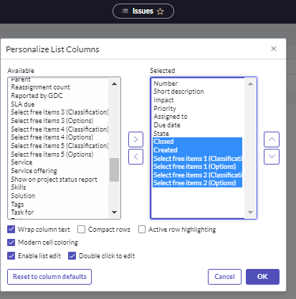
 |  | Created
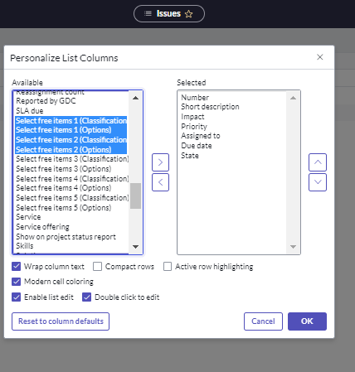

4

 | 5 | In "Selected" on the right, use " " and " " to change the order as follows.

 |  | Select free item 1 (Classfication)
 |  | Select free item 1 (Options)
 |  | Created
 |  | Closed
 |  | Select free item 2 (Classfication)
 |  | Select free item 2 (Options)

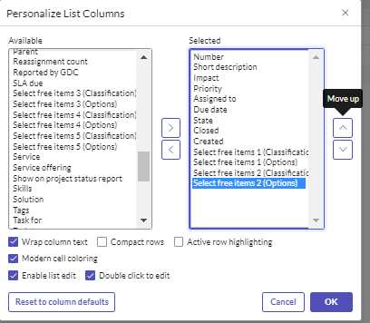

5

 | 6 | In "Selected" on the right, select the following 4 lines and click " " multiple times to move them under "Short description".
 |  | Select free item 1 (Classfication)
 |  | Select free item 1 (Options)
 |  | Created
 |  | Closed
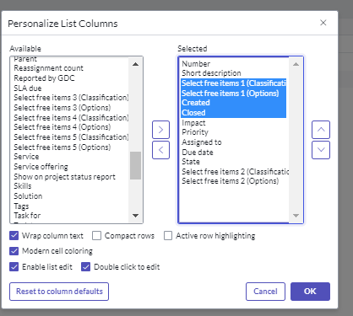
 | 7 | Click"OK"
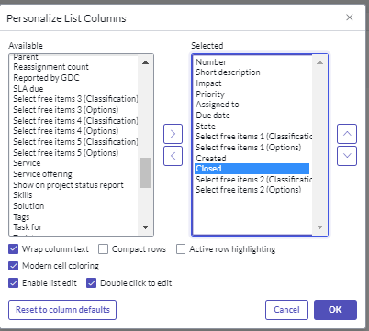

6

7

6. Man-hour Management Input
Table of Contents

6. Man-hour Management Input

 | For the "6. Man-hour Management" of each phase, transfer the data according to the following procedure.

 | 1.)Enter the daily plan in the progress report.
Check the expected work hours (H/d).
 |  | 1 | Check the planning time during estimation.

 |  |  | ■Example of estimation
(KLOC)
(KLOC)

 |  | 2 | Enter scheduled time in the status report.

 |  |  | ■Image for entering the plan information

Enter the skill level of the contact member

 |  | 3 | Update the Plan information according to the latest entity.
 |  |  |  | Days with expected uptime(Operation increase): Revise according to expected uptime
 |  |  |  | Days on which planned leave is expected: Adjust the planned time to "0".
Enter the plan for the operation increase
 |  |  |  | *Do not change schedule for unexpected leaves or interruptions.

 |  |  | ■ | Image of Modified Plan information

Enter the plan for the operation increase
Reflect the planned leave schedule.

 | 2.)"累計工数(先週まで)"に"今週の作業累計"の予定および実績数値を転記します。 | Transfer the Planned and Actual figures of "今週の作業累計/Total man-hour for this week" to "累計工数(先週まで)/Total man-hour (Until last week)".

 |  | ■Before Transferring

 |  | ■After Transferring

 | 3.)Review and enter actual time in the ServiceNow Timecard.
 |  | Refer to the Timecard Confirmation sheet in the Service Now Usage Guide (PM version) for information on how to check timecards.

 |  |  | ■Image after transferring man-hour

